Fixed Rail
Rails, Fixed

Rail System | Enter height

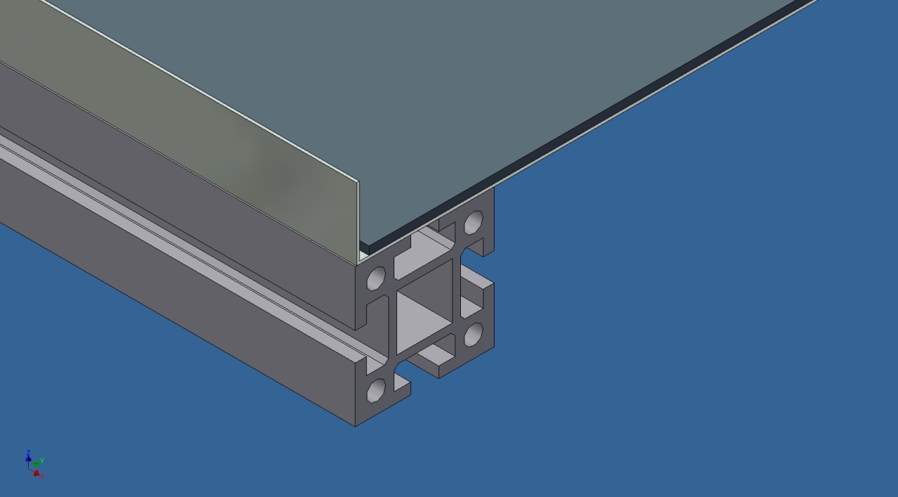

SF 1.3 |  | SF 7.1
H = 10 - 50 mm |  | H = 50 mm
$ |  | $$

Adjustable Rail
Rails, Adjustable

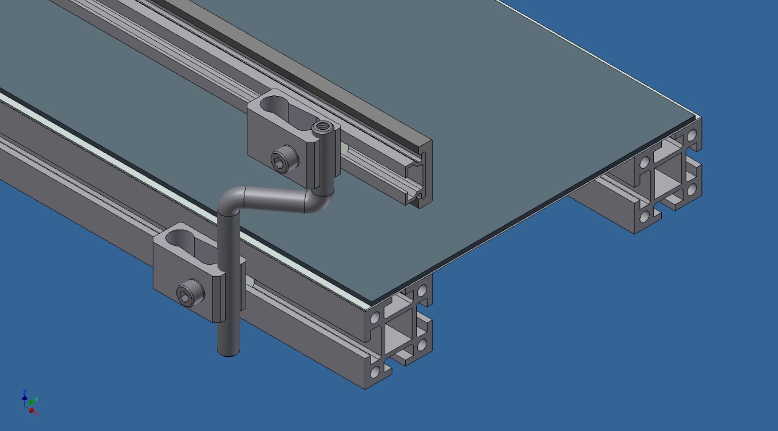

With UHMW backing? | Yes

Frame Width: | 800

Vertical Min: | to belt
Vertical Max: | 69 | mm, (2.72 in)

Horizontal Min: | 660 | mm, (25.98 in)
Horizontal Max: | 860 | mm, (33.86 in)

Controls
Controls

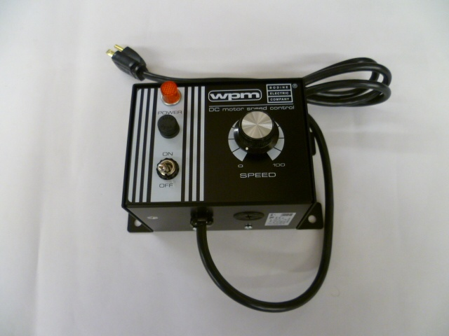
 | Standard control with variable speed capability (included with conveyor)

 | ● Operates off 115 Volt AC line.

 | ● Filtered DC output for cooler motor operation, longer brush life,
 | lower audible noise, and wider speed range.
 | ● NEMA 1 enclosure for environmental protection.
 | ● Trimpots on PC board to adjust torque limit, minimum speed limit,
 | maximum speed limit, acceleration time, and voltage regulation.
 | ● Speed can be adjusted manually using speed pot mounted on enclosure.
 | ● Toggle switch on enclosure indicates AC power on.
 | ● Factory installed AC line cable.

Addition of robot interface cable and indexing option to above control box |  | No

Conveyor Detection Options

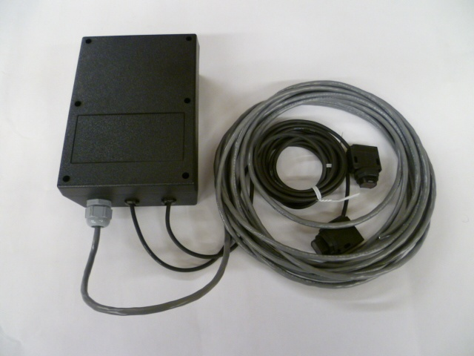
 | ● 5"x7" Electrical enclosure to mount on conveyor side rail.
 | ● Keyence sensors inclusive of leads and wiring.

 | Sensor set for "drop-zone clear" detection | No

 | Additional sensor set for "conveyor full" detection | No

Help
 |  | 35 Kenney Drive | Cranston, RI 02920
 |  | Tel: 401 463-1800 | Fax: 401 463-1810
 |  | Salesinfo@yushin.com | www.yushinamerica.com

Product Accumulation

If the application calls for holding product back while the conveyor is still running, please indicate this
by selecting "Yes" in the accumulation box.
This information is required in order to properly size the motor.
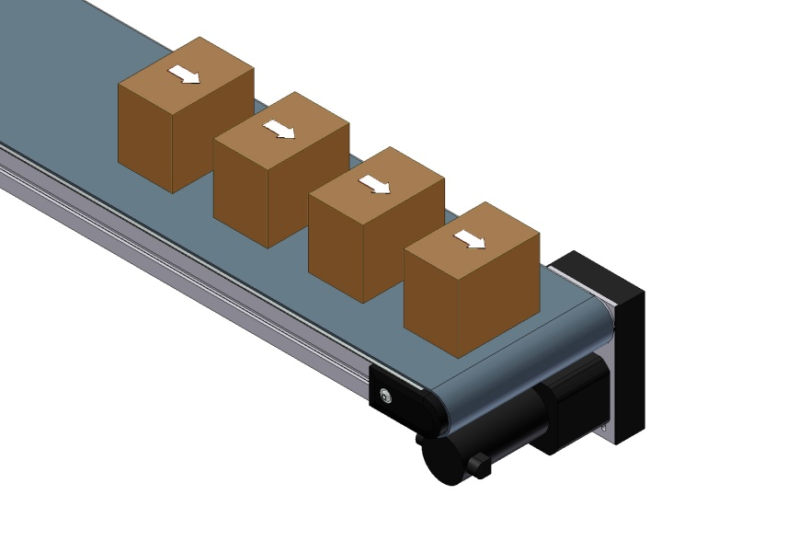
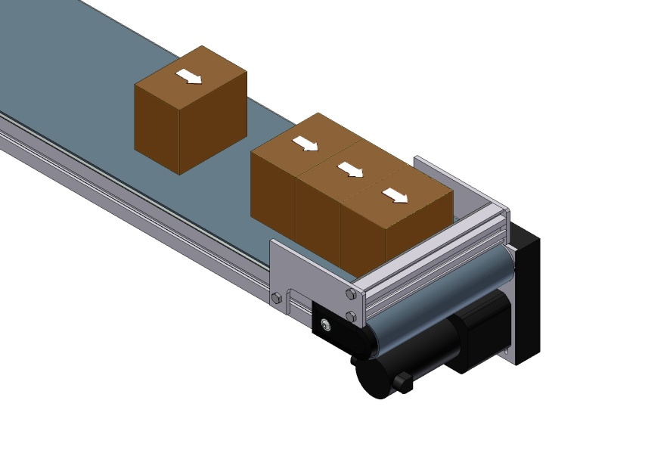

No Accumulation | Accumulation

